Company Overview
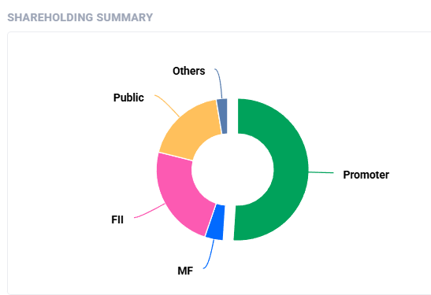
COLGATE-PALMOLIVE

COLGATE REVENUE FROM DIFFERENT PRODUCT PORTFOLIO |  |  | COLGATE REVENUE FROM DIFFERENT REGIONS ACROSS GLOBE
 |  |  |  | Region | Amount | Category | Percentage Holding
 | Sales | Amount | 1 | North America | 2995 | Promoter and Promoter Group | 0.51
1 | Oral Care | 9,832 | 2 | Latin America | 4778 | Foreign Institutional Investors (FII) | 0.237
2 | Personal Care | 2830 | 3 | Europe/South Pacific | 3508 | Domestic Institutional Investors (DII) | 0.069
3 | Home Care | 1900 | 4 | Grater Asia | 3281 | Public (Non-Institutional) | 0.184
4 | Pet Nutrition | 2172
Revenue Across Globe
 | 2995
 | 4778
 | 3508
 | 3281
COLGATE-PALMOLIVE SALES
 | 9832
 | 2830
 | 1900
 | 2172

Colgate's Operating Divisions
Exhibit 1.1 | COLGATE'S OPERATING DIVISIONS
 | (2011 AMOUNTS IN $ MILLION)
 | NET SALES ($) | OPERATING PROFIT ($) | TOTAL ASSETS ($)
Oral,personal and home care
North America | 2995 | 791 | 2288
Latin America | 4778 | 1414 | 3636
Europe/South Pacific | 3508 | 715 | 3555
Greater Asia/Africa | 3281 | 807 | 2069
Total oral,personal and home care | 14562 | 3727 | 11548
Pet nutrition | 2172 | 560 | 1078
Corporate |  | -446 | 98
Total net sales | 16734 | 3841 | 12724
Interpretation
Colgate's revenue primarily comes from its Oral, Personal, and Home Care segment, which generates $14,562 million, accounting for 87.02% of total net sales, making it the dominant contributor to the company's overall earnings. Within this segment, Latin America emerges as the highest revenue-generating region with $4,778 million, followed by Europe/South Pacific at $3,508 million, Greater Asia/Africa at $3,281 million, and North America at $2,995 million. This indicates that Colgate has a strong international presence, with Latin America being a particularly significant market.
Latin America: $4,778 million (28.54%) – largest revenue contributor
Europe/South Pacific: $3,508 million (20.96%)
Greater Asia/Africa: $3,281 million (19.61%)
North America: $2,995 million (17.91%)
In addition to oral and personal care products, Colgate also generates revenue from its Pet Nutrition segment, contributing $2,172 million in net sales (12.98% of total revenue). While smaller compared to the core business, this segment still plays an important role in the company's overall financial performance. The corporate division, on the other hand, does not contribute to revenue and instead reports an operating loss of $446 million.
A closer look at the numbers suggests that Colgate's growth is largely driven by its global market reach rather than being 71.46% of total revenue comes from markets outside North America. The company has successfully capitalized on demand across Latin America, Europe, and Asia, reinforcing its position as a global leader in consumer products. The presence of a profitable pet nutrition business further diversifies its revenue streams, reducing dependence on a single segment.

Share Price Movement
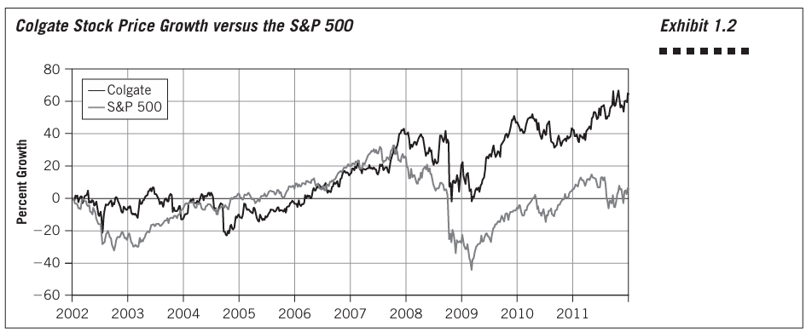
 | Interpretation

Colgate Stock Price Growth vs. S&P 500: Fact-Based Interpretation

1. Overall Trend and Growth

Colgate: Demonstrates a consistent upward trajectory, achieving nearly 60% growth by 2011.
S&P 500: Ends the period with around 20% growth, reflecting slower overall gains and higher volatility.

2. Key Periods
2002-2004:
Colgate grows by approximately 10%, slightly outperforming the S&P 500's 5% growth.
2004-2007:
Colgate grows by roughly 30% during this period, significantly outpacing the S&P 500's 20% growth.
2008-2009 (Financial Crisis):
S&P 500 declines sharply, losing nearly 40% at its lowest point.
Colgate experiences a milder decline of about 15%, showcasing its resilience.
2009-2011 (Recovery):
Colgate rebounds strongly, growing by nearly 35% and surpassing its pre-crisis peak by early 2010.
S&P 500 recovers more slowly, growing around 25% by 2011, taking longer to regain pre-crisis levels.

Colgate's Summary Financial
Exhibit 1.3 | COLGATE'S SUMMARY FINANCIAL DATA (in billions, except per share data)
 | 2011 ($) | 2010 ($) | 2009 ($) | 2008 ($) | 2007 ($) | 2006 ($) | 2005 ($) | 2004 ($) | 2003 ($) | 2002 ($)
Continuing Operations
Net sales | 16.73 | 15.56 | 15.33 | 15.33 | 13.79 | 12.24 | 11.4 | 10.58 | 9.9 | 9.29
Gross Profit | 9.59 | 9.2 | 9.01 | 9.01 | 8.22 | 7.21 | 6.62 | 6.15 | 5.75 | 5.35
Operating Income | 3.84 | 3.49 | 3.62 | 3.33 | 2.96 | 2.57 | 2.37 | 2.2 | 2.14 | 2.02
Net Income | 2.43 | 2.2 | 2.29 | 1.96 | 1.74 | 1.35 | 1.35 | 1.33 | 1.42 | 1.29

Total assets | 12.72 | 11.17 | 11.13 | 9.98 | 10.11 | 9.14 | 8.51 | 8.67 | 7.48 | 7.09
Total liablities | 10.18 | 8.36 | 7.88 | 7.94 | 7.72 | 7.62 | 7.05 | 7.21 | 6.38 | 6.53
Long term debt | 4.43 | 2.82 | 2.82 | 3.59 | 3.22 | 2.72 | 2.92 | 3.09 | 2.68 | 3.21
Shareholder's equity | 2.38 | 2.68 | 3.12 | 1.92 | 2.29 | 1.41 | 1.35 | 1.25 | 0.89 | 0.35
Treasuary stock at cost | 12.81 | 11.31 | 10.48 | 9.7 | 8.9 | 8.07 | 7.58 | 6.97 | 6.5 | 6.15

Basic earnings per share | 4.98 | 4.45 | 4.53 | 3.81 | 3.35 | 2.57 | 2.54 | 2.45 | 2.6 | 2.33
Cash dividends per share | 2.27 | 2.03 | 1.72 | 1.56 | 1.4 | 1.25 | 1.11 | 0.96 | 0.9 | 0.72
Closing stock price | 92.39 | 80.37 | 82.15 | 68.54 | 77.96 | 65.24 | 54.85 | 51.16 | 50.05 | 52.43
Share outstanding (billions) | 0.48 | 0.49 | 0.49 | 0.5 | 0.51 | 0.51 | 0.52 | 0.53 | 0.53 | 0.54

Interpretation
Colgate’s financial data from 2002 to 2011 reveals a steady and consistent growth trajectory, demonstrating its strong business fundamentals and effective management strategies. Over the years, the company’s net sales have steadily increased from $9.29 billion in 2002 to $16.73 billion in 2011, reflecting its ability to expand market share and drive revenue growth. This upward trend is supported by a proportional increase in gross profit, which rose from $5.35 billion in 2002 to $9.59 billion in 2011, indicating effective cost management and pricing strategies that helped maintain profitability despite rising operational expenses.
Operating income and net income have also seen significant improvements, highlighting Colgate’s ability to translate revenue growth into higher profits. Net income grew from $1.29 billion in 2002 to $2.43 billion in 2011, showing that the company maintained profitability while expanding its operations. Earnings per share (EPS) followed a similar trend, increasing from $2.03 in 2002 to $4.98 in 2011, benefiting from both higher earnings and share repurchases, as evidenced by the declining number of shares outstanding over the years.
Colgate’s balance sheet data further reflects its financial strength. Total assets grew from $7.09 billion in 2002 to $12.72 billion in 2011, demonstrating steady expansion and investment in long-term growth. However, liabilities, particularly long-term debt, also increased, reaching $4.43 billion in 2011, suggesting that Colgate leveraged debt financing to support its expansion initiatives. Despite the rise in liabilities, shareholders' equity remained positive, though slightly declining in recent years, reflecting strong capital management strategies.
From a shareholder perspective, Colgate has been rewarding investors consistently. Dividends per share increased steadily from $0.76 in 2002 to $2.27 in 2011, indicating a commitment to returning value to shareholders. Furthermore, the closing stock price rose significantly from $30.63 in 2002 to $92.39 in 2011, reinforcing investor confidence in the company’s long-term growth potential.
Overall, Colgate’s financial data indicates a well-managed company with a strong track record of revenue and profit growth, strategic cost management, and shareholder value creation. While increasing debt levels warrant attention, the company’s ability to generate higher earnings and sustain stock price growth suggests a resilient business model. Colgate’s financial stability, profitability, and market expansion efforts position it as a dominant player in the consumer goods industry, with continued growth potential in the years ahead.

